leukaemia_aml_i17
Acute Myeloid Leukaemia (C92.0, C92.4, C92.5, C92.6, C92.8, C93.0, C94.0, C94.2): 2015-2017

Average Number of New Cases Per Year and Age-Specific Incidence Rates per 100,000 Population, UK

Age Range | Female Cases | Male Cases | Female Rates | Male Rates
0 to 04 | 17 | 20 | 0.9 | 1.0
05 to 09 | 8 | 10 | 0.4 | 0.5
10 to 14 | 11 | 10 | 0.6 | 0.5
15 to 19 | 13 | 17 | 0.7 | 0.9
20 to 24 | 17 | 19 | 0.8 | 0.9
25 to 29 | 20 | 19 | 0.9 | 0.8
30 to 34 | 27 | 23 | 1.2 | 1.0
35 to 39 | 29 | 30 | 1.4 | 1.4
40 to 44 | 36 | 33 | 1.7 | 1.6
45 to 49 | 53 | 49 | 2.3 | 2.2
50 to 54 | 62 | 78 | 2.7 | 3.4
55 to 59 | 82 | 91 | 4.0 | 4.5
60 to 64 | 110 | 148 | 6.1 | 8.5
65 to 69 | 145 | 232 | 7.9 | 13.4
70 to 74 | 171 | 262 | 11.3 | 19.0
75 to 79 | 167 | 274 | 14.3 | 27.5
80 to 84 | 193 | 251 | 21.2 | 36.2
85 to 89 | 132 | 155 | 21.6 | 40.9
90+ | 80 | 58 | 20.1 | 33.7
All Ages | 1,373 | 1,779 | 4.1 | 6.4

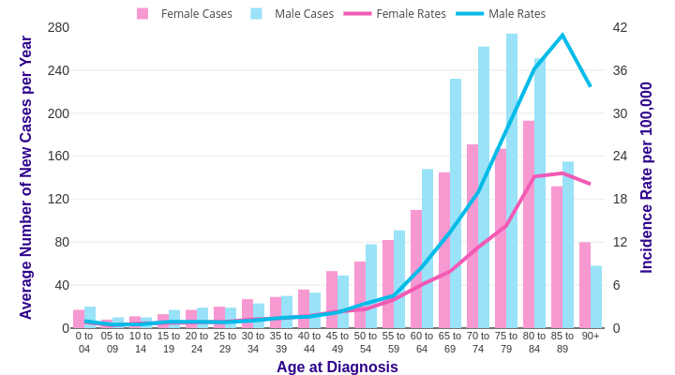

Source: cruk.org/cancerstats

You are welcome to reuse this Cancer Research UK statistics content for your own work.
Credit us as authors by referencing Cancer Research UK as the source.
Suggested style: Cancer Research UK, full URL of the page, Accessed [month] [year].

